Sheet1
 | Visual Aid |  |  | Process Information
 | Created By: M Srinivas | Date Created: | 2019-01-02 | Customer Name: BRP
Product Line: 101 | Revised By: | Date Revised: |  | Part Name : Fender LH/ RH
Operation : Inspection | Approved by: D Turner |  |  | Part Number: 705013328 / 705013564
Equipment Name: N/A |  |  |  | 705013326 / 705013566
 |  |  |  | Document # : 8.5.2.33

Defect Description: Paint Soak/ Contamination on the surface of LH/ RH Fender.
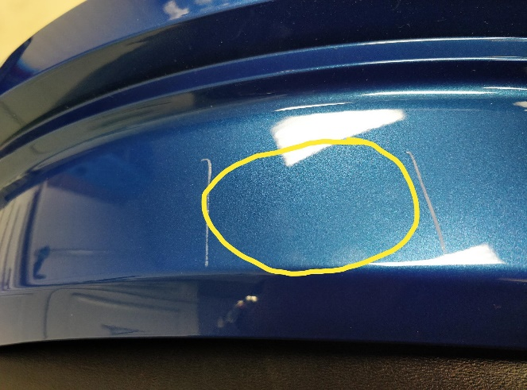 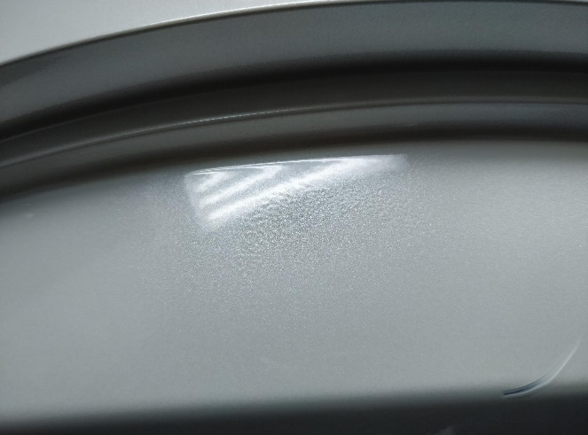 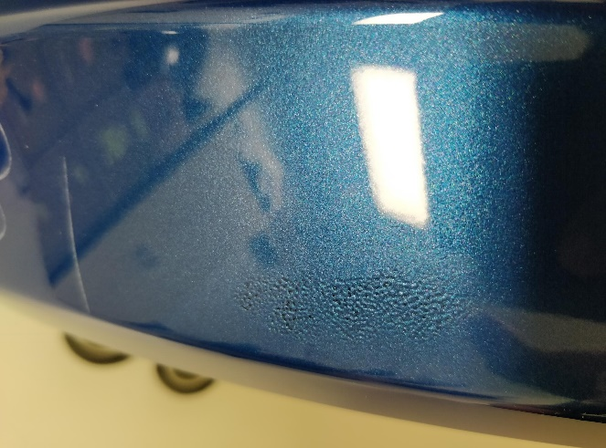
PARTS HAVE TO BE INSPECTED WITH RESPECT TO VEHICLE POSITION, 3 METERS AWAY FROM THE PART. FIG. 1 & FIG. 2 ARE GOOD. IF CONTAMINATION/ PAINT SOAK IS FOUND AT THIS POSITION, IT IS A DEFECT (FIG. 3).

1
2
3

